Clustering Assignment
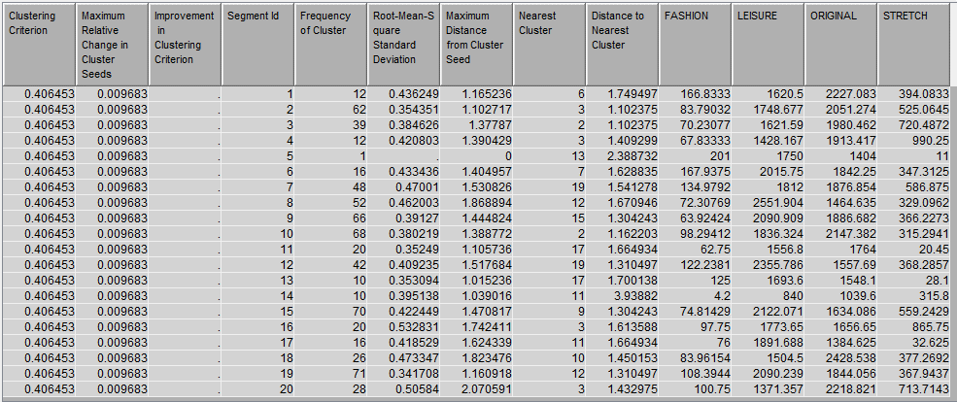
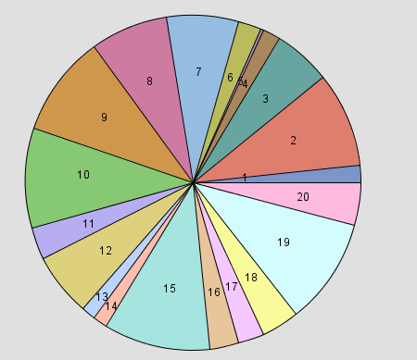
23 | 0
5 | 0
22 | 0
40 | 0
24 | 0
 | 0
 | 0
 | 0
 | 0
 | 0
Q1) |  | D_ITEMS | x1
 |  | 1 | 23
 |  | 2 | 5
 |  | 3 | 22
 |  | 4 | 40
 |  | 5 | 24

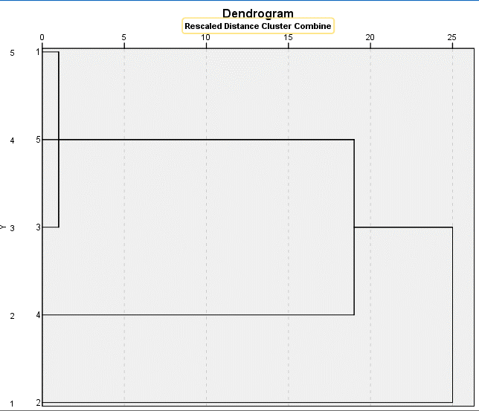
 |  | cluster | 1 | 2 | 3 | 4 | 5
 |  | 1 |  | 18 | 1 | 17 | 1
 |  | 2 | 18 |  | 17 | 35 | 19
 |  | 3 | 1 | 17 |  | 18 | 2
 |  | 4 | 17 | 35 | 18 |  | 16
 |  | 5 | 1 | 19 | 2 | 16

 |  | Complete linkage: merge two clusters with the minimum of maximum distances

 |  | cluster | {1,3} | 2 | 4 | 5
 |  | {1,3} |  | 18 | 18 | 2
 |  | 2 | 18 |  | 35 | 19
 |  | 4 | 18 | 35 |  | 16
 |  | 5 | 2 | 19 | 16

 |  | cluster | {1,3,5} | 2 | 4
 |  | {1,3,5} |  | 19 | 18
 |  | 2 | 19 |  | 35
 |  | 4 | 18 | 35

 |  | cluster | {1,3,4,5} | 2
 |  | {1,3,4,5} |  | 35
 |  | 2 | 35

Question 2 Obs
Q2)a. | obs# | x1 | x2
 | 1 | 2 | 22
 | 2 | 25 | 30
 | 3 | 16 | 7
 | 4 | 4 | 27
 | 5 | 6 | 24
 | 6 | 18 | 4
 | 7 | 16 | 2
 | 8 | 29 | 29
 | 9 | 6 | 30
 | 10 | 27 | 26

Q2)b. | cluster# | current centroid |  |  |  |  |  | cluster# | current centroid
 | 1 | 4 | 27 |  |  |  |  | 1 | 4.5 | 25.75
 | 2 | 18 | 4 |  |  |  |  | 2 | 16.666666667 | 4.3333333333
 | 3 | 27 | 26 |  |  |  |  | 3 | 27 | 28.333333333
Work for question 2. To calculate the distance to the centroid I used the distance formula.
Observation 1
Distance to Centroid 1: $\sqrt{{\left(2−4\right)}^{2}+{\left(22−27\right)}^{2}}=\sqrt{4+25}=\sqrt{29}=5.385$
Distance to Centroid 2: $\sqrt{{\left(2−18\right)}^{2}+{\left(22−4\right)}^{2}}=\sqrt{256+324}=\sqrt{580}=24.083$
Distance to Centroid 3: $\sqrt{{\left(2−27\right)}^{2}+{\left(22−26\right)}^{2}}=\sqrt{625+16}=\sqrt{641}=25.318$
Since Observation 1’s distance of 5.385 is the shortest distance to a centroid, observation 1 will belong in cluster one. I then repeated this calculation for the following observations.

 |  | distance to cluster centroid |  |  |  |  |  |  | distance to cluster centroid
 | obs# | 1 | 2 | 3 | min | cluster |  | obs# | 1 | 2 | 3 | min | cluster
 | 1 | 5.3851648071 | 24.083189158 | 25.317977802 | 5.3851648071 | 1 |  | 1 | 4.5069390943 | 22.961320132 | 25.789748179 | 4.5069390943 | 1
 | 2 | 21.213203436 | 26.925824036 | 4.472135955 | 4.472135955 | 3 |  | 2 | 20.935914119 | 26.985592864 | 2.6034165586 | 2.6034165586 | 3
 | 3 | 23.323807579 | 3.6055512755 | 21.9544984 | 3.6055512755 | 2 |  | 3 | 21.995738224 | 2.7487370837 | 24.002314703 | 2.7487370837 | 2
 | 4 | 0 | 26.925824036 | 23.021728866 | 0 | 1 |  | 4 | 1.3462912018 | 25.965789459 | 23.038614928 | 1.3462912018 | 1
 | 5 | 3.6055512755 | 23.323807579 | 21.09502311 | 3.6055512755 | 1 |  | 5 | 2.3048861143 | 22.373098926 | 21.442429381 | 2.3048861143 | 1
 | 6 | 26.925824036 | 0 | 23.769728648 | 0 | 2 |  | 6 | 25.599072249 | 1.3743685419 | 25.944384963 | 1.3743685419 | 2
 | 7 | 27.730849248 | 2.8284271247 | 26.400757565 | 2.8284271247 | 2 |  | 7 | 26.387733893 | 2.4267032964 | 28.538473057 | 2.4267032964 | 2
 | 8 | 25.079872408 | 27.313000567 | 3.6055512755 | 3.6055512755 | 3 |  | 8 | 24.714621179 | 27.578171722 | 2.1081851068 | 2.1081851068 | 3
 | 9 | 3.6055512755 | 28.635642127 | 21.377558326 | 3.6055512755 | 1 |  | 9 | 4.5069390943 | 27.794883622 | 21.066033746 | 4.5069390943 | 1
 | 10 | 23.021728866 | 23.769728648 | 0 | 0 | 3 |  | 10 | 22.501388846 | 24.004629183 | 2.3333333333 | 2.3333333333 | 3
To solve for the new centroid, after the clusters have been assigned I took the average of the new cluster points.
Cluster #1 = $\frac{(2+4+6+6)}{4}= \frac{18}{4}=4.5$ $\frac{(22+27+24+30)}{4}= \frac{103}{4}=25.75$
Cluster #2 = $\frac{(16+18+16)}{3}= \frac{50}{3}=16.667$ $\frac{(7+4+2)}{3}= \frac{13}{3}=14.333$
Cluster #3 = $\frac{\left(25+29+27\right)}{3}= \frac{81}{3}=27$ $\frac{\left(30+29+26\right)}{3}= \frac{85}{3}=28.333$

 |  | new centroid |  |  |  |  |  |  | new centroid
 | cluster# | x1 | x2 |  |  |  |  | cluster# | x1 | x2
 | 1 | 4.5 | 25.75 |  |  |  |  | 1 | 4.5 | 25.75
 | 2 | 16.666666667 | 4.3333333333 |  |  |  |  | 2 | 16.666666667 | 4.3333333333
 | 3 | 27 | 28.333333333 |  |  |  |  | 3 | 27 | 28.333333333

Q2)c. | K-Means using SPSS |  |  |  |  |  |  |  |  |  | Hierarchial Cluster using SPSS
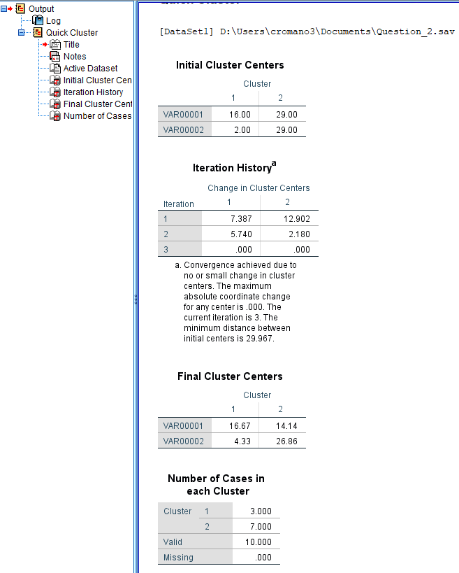
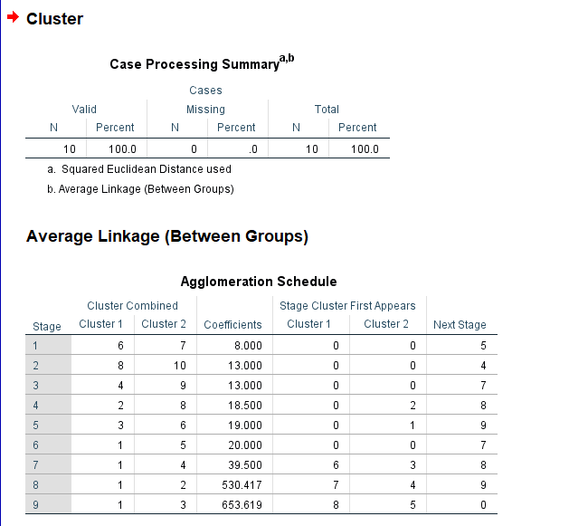

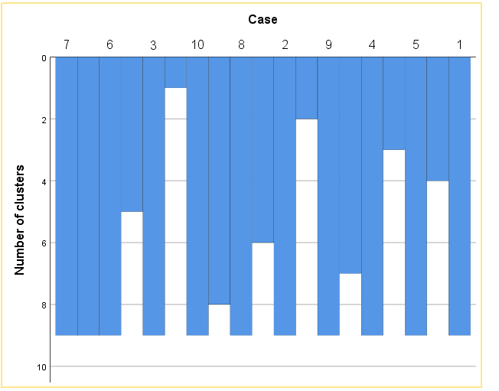

Q3)a.
 | SAS Output

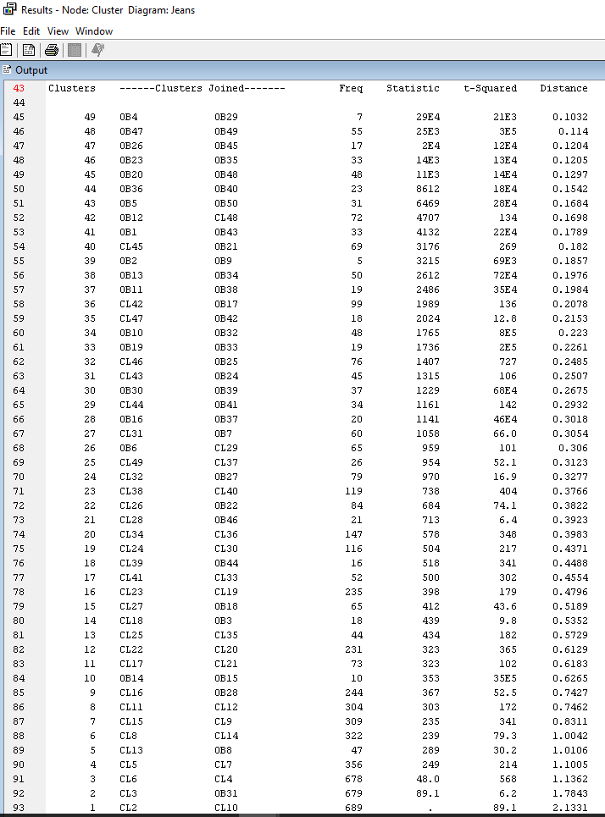

a) Apply k-means algorithm to this data and present its results. At the minimum, the cluster membership should be provided. How did you determine the number of clusters (k)? Provide a justification of why the number you picked is the best.
I applied the k-means algorithm and determined with the elbow method determined the best number of clusters is around 12.

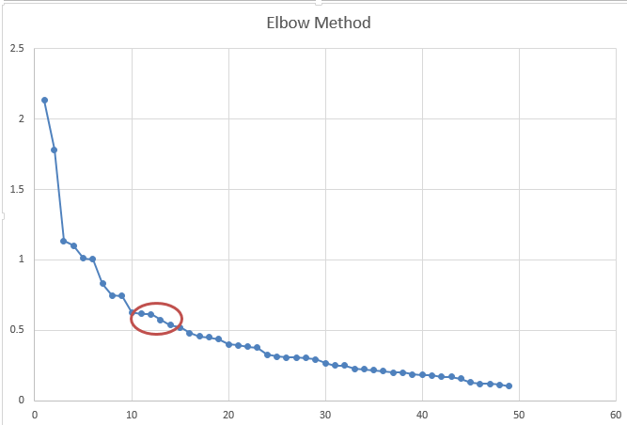

 |  |  |  |  |  |  |  |  |  |  |  |  |  | Using SAS there are 14 Clusters which falls in the circle with my estimate from the elbow method
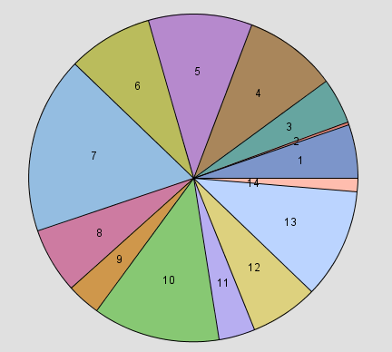

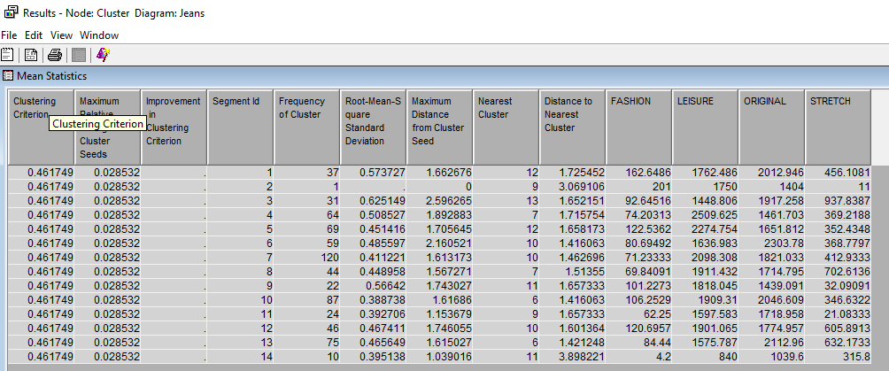

Apply “complete linkage” or “Ward” hierarchical clustering method to the same clustering problem. Compare and contrast two algorithms, i.e., k-means and hierarchical, in particular, on the quality of clusters (e.g., measured by average silhouette)
I chose the ward method with results below. The ward method produced 20 clusters, 6 more than the k-means.
Q3)b.

